Js News web app
Tester Name: Shahzaib Idrees
Project: JS news web application testing

S.No | Bug | Screenshot | Periority
1 | The left hand side and right hand side arrows should be mentioned | 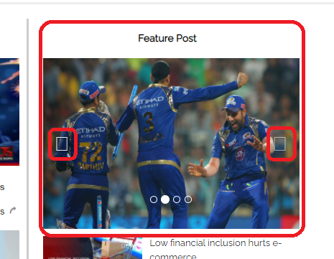 | P3
2 | In weather section details are not showing | 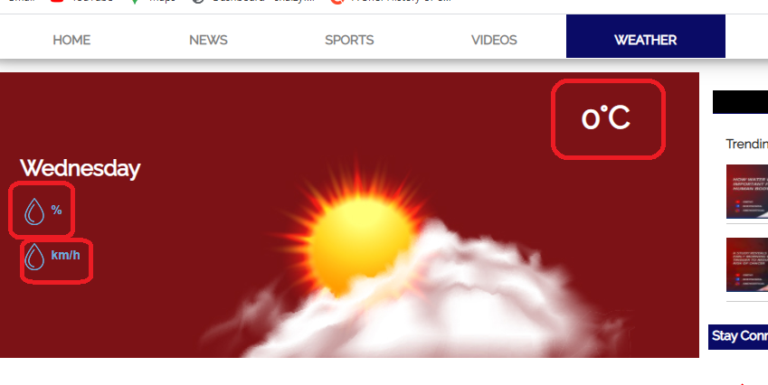 | P1
3 | No news available for your selected category | 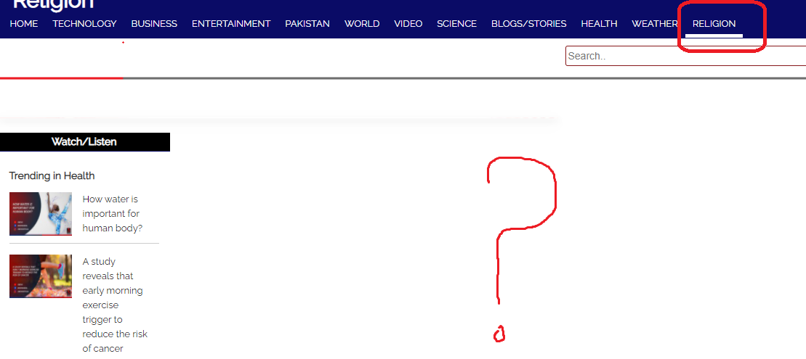 | P1
4 | In news tab when click on these two categories "Weather" and "Religion" then tab auto shift on home tab |  | P3
5 | Youtube icon pexel are very low | 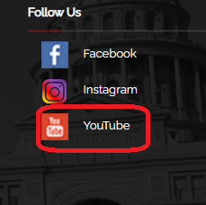 | P3
6 | In Sign up process no validation in phone number column, accept more than 11 digits |  | P0
7 | In weather tab these social media icons showing is nothing |  | P1
8 | In Islam tab these images are not display | 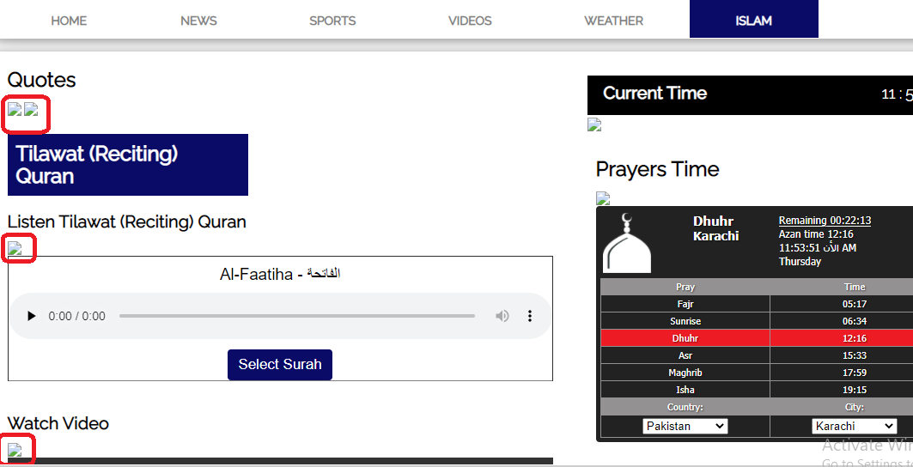 | P3
9 | In Islam tab the text in the background "Islam", "Hamde Bari Ta'ala & Naat e Rasool" and "Masnoon Duain" is blurred and overlaping with the uper text |  | P3
10

